Low_Mid_High Scenarios
 | Historic | Data center demand (TWh) |  |  | LBNL
 | 2018 | 76
 | 2023 | 176 | https://escholarship.org/uc/item/32d6m0d1#page=50

Source | 2018 | 2019 | 2020 | 2021 | 2022 | 2023
LBNL | 76 | 96 | 116 | 136 | 156 | 176
BNEF |  |  | 65 | 78 | 93 | 118

 | Near Term Trajectory
 | use 2028 projections from LBL report (mid case is an average of the high and low growth)
Source |  | 2023 | 2024 | 2025 | 2026 | 2027 | 2028 | 2029 | 2030 | growth rate
AEO 2025 | low | 176 | 267 | 302 | 292 | 301 | 301 |  |  | 71%
LBNL High | high | 176 | 257 | 338 | 418 | 499 | 580 |  |  | 230%
BNEF | mid | 176 | 208 | 238 | 279 | 321 | 366 | 408 | 449 | 108%

 | Extended Trajectory
 | use mid case growth trajectory from Evolved Energy
 | Growth Rate Estimates
 |  | 2025 | 2030 | 2035 | 2040 | 2050
 | evolved energy mid | 279 | 541 | 693 | 776 | 870
 | evolved energy high | 279 | 718 | 1043 | 1222 | 1679

 | growth rate
 |  | 2029 | 2030 | 2031 | 2032 | 2033 | 2034 | 2035 | 2036 | 2037 | 2038 | 2039 | 2040 | 2041 | 2042 | 2043 | 2044 | 2045 | 2046 | 2047 | 2048 | 2049 | 2050
 | evolved energy mid |  | 541 | 571 | 602 | 632 | 663 | 693 | 710 | 726 | 743 | 759 | 776 | 785 | 795 | 804 | 814 | 823 | 832 | 842 | 851 | 861 | 870
ADP | growth rate | 6% | 6% | 6% | 5% | 5% | 5% | 5% | 2% | 2% | 2% | 2% | 2% | 1% | 1% | 1% | 1% | 1% | 1% | 1% | 1% | 1% | 1%

 |  | 2029 | 2030 | 2031 | 2032 | 2033 | 2034 | 2035 | 2036 | 2037 | 2038 | 2039 | 2040 | 2041 | 2042 | 2043 | 2044 | 2045 | 2046 | 2047 | 2048 | 2049 | 2050
 | evolved energy mid |  | 718 | 783 | 848 | 913 | 978 | 1043 | 1079 | 1115 | 1150 | 1186 | 1222 | 1268 | 1313 | 1359 | 1405 | 1451 | 1496 | 1542 | 1588 | 1633 | 1679
ADP high | growth rate | 9% | 9% | 9% | 8% | 8% | 7% | 7% | 3% | 3% | 3% | 3% | 3% | 4% | 4% | 3% | 3% | 3% | 3% | 3% | 3% | 3% | 3%

 |  | 2029 | 2030 | 2031 | 2032 | 2033 | 2034 | 2035 | 2036 | 2037 | 2038 | 2039 | 2040 | 2041 | 2042 | 2043 | 2044 | 2045 | 2046 | 2047 | 2048 | 2049 | 2050
 | evolved energy mid |  | 718 | 783 | 848 | 913 | 978 | 1043 | 1079 | 1115 | 1150 | 1186 | 1222 | 1268 | 1313 | 1359 | 1405 | 1451 | 1496 | 1542 | 1588 | 1633 | 1679
ADP hybrid | growth rate | 6% | 6% | 6% | 5% | 5% | 5% | 5% | 3% | 3% | 3% | 3% | 3% | 4% | 4% | 3% | 3% | 3% | 3% | 3% | 3% | 3% | 3%

 | evolved energy mid | 91 | 126 | 116 | 125 | 125 | 138 | 148 | 158 | 168 | 179 | 191 | 205 | 220 | 237 | 253 | 270 | 288 | 306 | 325 | 343 | 362 | 380
AEO | growth rate | 8% | 8% | 8% | 8% | 0% | 10% | 7% | 6% | 6% | 6% | 7% | 7% | 7% | 8% | 7% | 7% | 7% | 6% | 6% | 6% | 5% | 5%

select growth rate for each scenario | scenario | 2029 | 2030 | 2031 | 2032 | 2033 | 2034 | 2035 | 2036 | 2037 | 2038 | 2039 | 2040 | 2041 | 2042 | 2043 | 2044 | 2045 | 2046 | 2047 | 2048 | 2049 | 2050
ADP | low | 317.9 | 336 | 355 | 375 | 395 | 414 | 434 | 454 | 465 | 476 | 487 | 498 | 509 | 515 | 521 | 527 | 533 | 540 | 546 | 552 | 558 | 564
ADP hybrid | high | 612.6 | 647 | 683 | 722 | 760 | 799 | 837 | 875 | 905 | 935 | 966 | 996 | 1026 | 1064 | 1102 | 1141 | 1179 | 1217 | 1256 | 1294 | 1332 | 1371
ADP | mid | 408.0 | 449.0 | 474 | 501 | 528 | 554 | 581 | 607 | 622 | 637 | 651 | 666 | 680 | 688 | 697 | 705 | 713 | 721 | 730 | 738 | 746 | 754

 | Full Time Series
Source | Scenario | 2022 | 2023 | 2024 | 2025 | 2026 | 2027 | 2028 | 2029 | 2030 | 2031 | 2032 | 2033 | 2034 | 2035 | 2036 | 2037 | 2038 | 2039 | 2040 | 2041 | 2042 | 2043 | 2044 | 2045 | 2046 | 2047 | 2048 | 2049 | 2050
AEO (direct) | low | 156 | 176 | 267 | 302 | 292 | 301 | 301 | 314 | 324 | 334 | 344 | 355 | 367 | 381 | 396 | 413 | 429 | 446 | 464 | 482 | 501 | 519 | 538 | 556 | 575 | 594 | 613 | 633 | 653
use LBNL, consider growing by EER's annual growth rate for 2031-2035 and 2036-2050 from their high scenario | high | 156 | 176 | 257 | 338 | 418 | 499 | 580 | 613 | 647 | 683 | 722 | 760 | 799 | 837 | 875 | 905 | 935 | 966 | 996 | 1026 | 1064 | 1102 | 1141 | 1179 | 1217 | 1256 | 1294 | 1332 | 1371
Use BNEF, consider growing by EER's annual growth rate in their central scenario for 2031-2035 and then 2036-2050 (take max of AEO or BNEF in early years) | mid | 156 | 176 | 267 | 302 | 292 | 321 | 366 | 408 | 449 | 474 | 501 | 528 | 554 | 581 | 607 | 622 | 637 | 651 | 666 | 680 | 688 | 697 | 705 | 713 | 721 | 730 | 738 | 746 | 754

Data Center Demand

AEO Data Center Assumptions
 | Source | Guidehouse, Inc. and Leidos, Inc., Analysis and Representation of Miscellaneous Electric Loads in NEMS, prepared for the U.S. Energy Information Administration, April 2021.
 | Link | https://www.eia.gov/analysis/studies/demand/miscelectric/pdf/miscelectric.pdf |  |  |  |  |  |  |  |  | https://www.eia.gov/analysis/studies/demand/miscelectric/
 | Projections | 2025 | 2030 | 2035 | 2040 | 2050
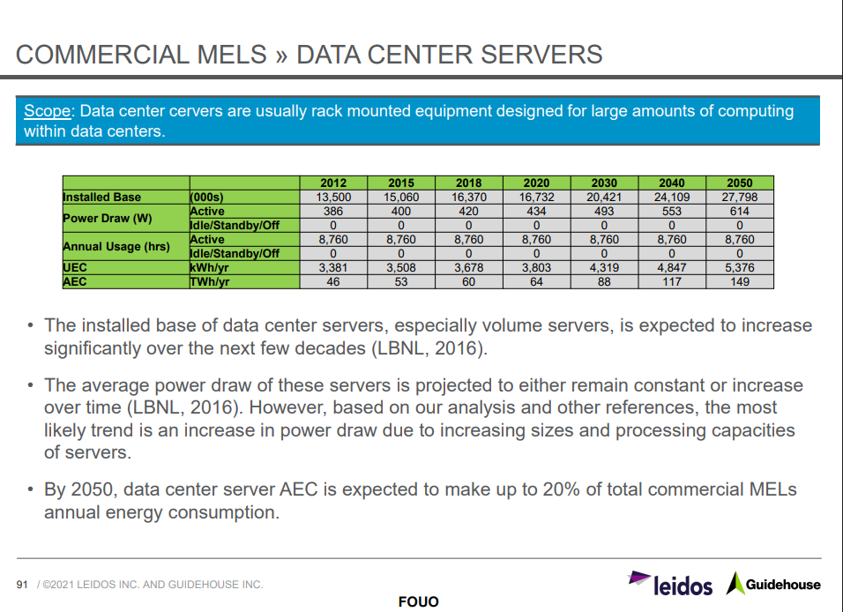
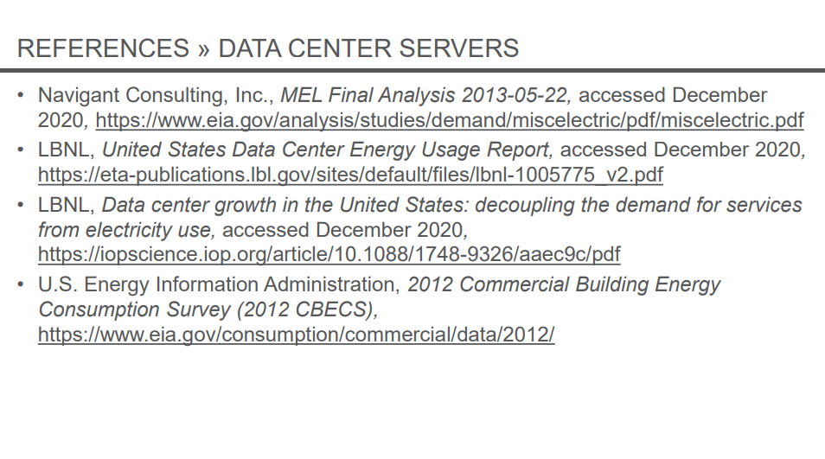
 | TWh | 83.8 | 97.1 |  | 126.9 | 159.4 |  |  |  |  |  | Appendix A

 | AEC is annual Energy Consumption
 |  | 2012 | 2015 | 2018 | 2020 | 2030 | 2040 | 2050
 | Data Center Servers AEC | 46 | 53 | 60 | 64 | 88 | 117 | 149
 | UPS | 4.6 | 5.5 | 6 | 6.5 | 9.1 | 9.9 | 10.4
 | Total | 50.6 | 58.5 | 66 | 70.5 | 97.1 | 126.9 | 159.4

Source: Commercial Demand Module Documentation https://www.eia.gov/outlooks/aeo/nems/documentation/commercial/pdf/CDM_AEO2025.pdf
"The energy consumption projections for computers, office equipment, IT equipment, data center servers, and additional miscellaneous electric loads (MELs) are based on a 2013 study and a 2021 update to the study completed by Guidehouse, Inc. and Leidos, Inc.. The market penetration index is set to unity in the base year and increases based on projected consumption. The indexed projections of office equipment market penetration are included in the NEMS CDM calculation of service demand. MarketPenetrationMels applies only to the non-specific portions of MELs." pg 123
Source: Guidehouse, Inc. and Leidos, Inc., Analysis and Representation of Miscellaneous Electric Loads in NEMS, prepared for the U.S. Energy Information Administration, April 2021.

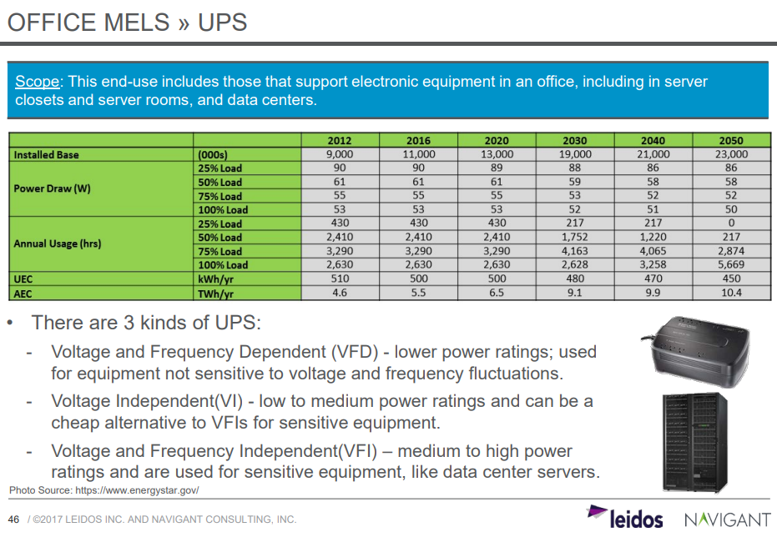
 |  |  |  |  |  |  |  |  |  |  |  | Appendix B

 |  |  |  |  |  |  |  |  |  |  |  |  |  |  |  |  |  |  |  | UPS = uninterruptible power supplies

 | Btus per kWh | 3412

Electricity 3/ (TWh) | 2024 | 2025 | 2026 | 2027 | 2028 | 2029 | 2030 | 2031 | 2032 | 2033 | 2034 | 2035 | 2036 | 2037 | 2038 | 2039 | 2040 | 2041 | 2042 | 2043 | 2044 | 2045 | 2046 | 2047 | 2048 | 2049 | 2050 | 2024-2050
Space Heating 3/ | 54.67 | 58.03 | 58.05 | 58.34 | 58.34 | 58.00 | 57.55 | 57.03 | 56.50 | 55.71 | 55.01 | 54.67 | 54.43 | 54.19 | 53.85 | 53.49 | 53.10 | 52.69 | 52.23 | 51.75 | 51.23 | 50.69 | 50.12 | 49.54 | 48.94 | 48.36 | 47.78
Space Cooling 3/ 4/ | 167.90 | 162.81 | 166.21 | 170.40 | 173.80 | 176.00 | 177.51 | 178.93 | 180.51 | 181.87 | 183.59 | 185.88 | 188.69 | 191.67 | 194.34 | 197.07 | 199.79 | 202.64 | 205.42 | 208.34 | 211.28 | 214.19 | 217.09 | 220.03 | 223.03 | 226.12 | 229.26
Water Heating 3/ | 21.83 | 21.71 | 21.74 | 21.89 | 21.93 | 21.82 | 21.62 | 21.38 | 21.14 | 20.88 | 20.64 | 20.46 | 20.31 | 20.18 | 20.01 | 19.84 | 19.67 | 19.49 | 19.30 | 19.11 | 18.92 | 18.72 | 18.51 | 18.31 | 18.10 | 17.89 | 17.69
Ventilation 4/ | 218.25 | 221.75 | 226.62 | 232.91 | 238.18 | 241.91 | 244.01 | 245.95 | 248.02 | 249.91 | 252.21 | 255.15 | 258.63 | 262.28 | 265.57 | 268.90 | 272.25 | 275.62 | 278.87 | 282.14 | 285.35 | 288.53 | 291.69 | 294.85 | 298.05 | 301.33 | 304.65
Cooking | 24.73 | 24.79 | 24.93 | 25.19 | 25.33 | 25.30 | 25.17 | 25.00 | 24.85 | 24.66 | 24.51 | 24.42 | 24.37 | 24.33 | 24.24 | 24.14 | 24.04 | 23.93 | 23.81 | 23.69 | 23.56 | 23.41 | 23.25 | 23.09 | 22.93 | 22.76 | 22.60
Lighting | 168.71 | 165.32 | 164.54 | 165.54 | 166.39 | 166.48 | 163.48 | 160.81 | 158.48 | 156.17 | 154.10 | 152.48 | 151.35 | 150.58 | 149.79 | 149.22 | 148.36 | 147.79 | 147.32 | 147.02 | 146.80 | 146.65 | 146.57 | 146.34 | 146.18 | 146.10 | 146.01
Refrigeration | 107.65 | 108.04 | 108.67 | 109.72 | 110.67 | 111.37 | 111.58 | 111.86 | 112.22 | 112.61 | 113.11 | 113.76 | 114.50 | 115.28 | 115.98 | 116.68 | 117.36 | 118.13 | 118.87 | 119.61 | 120.33 | 121.03 | 121.73 | 122.41 | 123.09 | 123.76 | 124.43
Computing 4/ 5/ | 99.95 | 104.73 | 110.02 | 115.73 | 121.72 | 127.61 | 133.53 | 139.66 | 146.12 | 152.91 | 160.13 | 167.80 | 175.94 | 184.67 | 193.61 | 203.02 | 212.94 | 223.35 | 234.11 | 245.24 | 256.97 | 269.12 | 281.70 | 294.98 | 308.76 | 322.81 | 337.66
Office Equipment | 12.67 | 12.69 | 12.76 | 12.86 | 12.99 | 13.10 | 13.20 | 13.29 | 13.39 | 13.50 | 13.64 | 13.77 | 13.91 | 14.04 | 14.15 | 14.26 | 14.34 | 14.38 | 14.40 | 14.40 | 14.36 | 14.25 | 14.13 | 13.93 | 13.68 | 13.38 | 13.01
Other Uses 4/ 6/ | 557.14 | 579.81 | 559.43 | 555.40 | 550.74 | 560.82 | 569.88 | 578.68 | 587.59 | 596.68 | 606.19 | 616.29 | 627.01 | 637.90 | 648.80 | 659.86 | 671.14 | 682.61 | 694.27 | 706.21 | 718.40 | 730.85 | 743.45 | 756.32 | 769.57 | 783.09 | 796.97
Gross End-use Electricity Consumption | 1,433.49 | 1,459.68 | 1,452.96 | 1,467.99 | 1,480.10 | 1,502.41 | 1,517.51 | 1,532.59 | 1,548.82 | 1,564.90 | 1,583.12 | 1,604.68 | 1,629.15 | 1,655.11 | 1,680.34 | 1,706.48 | 1,733.00 | 1,760.63 | 1,788.60 | 1,817.51 | 1,847.20 | 1,877.44 | 1,908.24 | 1,939.79 | 1,972.32 | 2,005.61 | 2,040.06
Purchased Electricity for Electric Vehicle Charging 7/ | 5.50 | 8.24 | 12.38 | 18.07 | 25.28 | 34.30 | 46.71 | 62.40 | 83.24 | 105.44 | 127.31 | 148.31 | 168.26 | 187.15 | 204.72 | 221.08 | 236.26 | 250.10 | 262.57 | 273.54 | 283.22 | 291.80 | 299.51 | 306.52 | 312.51 | 317.82 | 322.57
On-site Generation for Own Use | 41.54 | 46.50 | 51.34 | 53.39 | 55.39 | 58.29 | 61.73 | 66.10 | 70.08 | 74.80 | 77.91 | 79.78 | 81.37 | 83.10 | 85.70 | 87.18 | 88.84 | 91.30 | 93.70 | 96.33 | 98.97 | 101.71 | 104.19 | 107.08 | 110.07 | 112.96 | 116.11
Purchased Electricity at Commercial Location 8/ | 1,397.45 | 1,421.42 | 1,414.00 | 1,432.67 | 1,449.98 | 1,478.42 | 1,502.49 | 1,528.90 | 1,561.98 | 1,595.55 | 1,632.52 | 1,673.21 | 1,716.03 | 1,759.17 | 1,799.37 | 1,840.39 | 1,880.41 | 1,919.43 | 1,957.48 | 1,994.73 | 2,031.44 | 2,067.53 | 2,103.56 | 2,139.23 | 2,174.76 | 2,210.48 | 2,246.52

Computing | 2024 | 2025 | 2026 | 2027 | 2028 | 2029 | 2030 | 2031 | 2032 | 2033 | 2034 | 2035 | 2036 | 2037 | 2038 | 2039 | 2040 | 2041 | 2042 | 2043 | 2044 | 2045 | 2046 | 2047 | 2048 | 2049 | 2050
Data Center Loads | 81.14 | 83.8 | 86.46 | 89.12 | 91.78 | 94.44 | 97.1 | 100.08 | 103.06 | 106.04 | 109.02 | 112 | 114.98 | 117.96 | 120.94 | 123.92 | 126.9 | 130.15 | 133.4 | 136.65 | 139.9 | 143.15 | 146.4 | 149.65 | 152.9 | 156.15 | 159.4
Non-Data Center Loads | 19 | 21 | 24 | 27 | 30 | 33 | 36 | 40 | 43 | 47 | 51 | 56 | 61 | 67 | 73 | 79 | 86 | 93 | 101 | 109 | 117 | 126 | 135 | 145 | 156 | 167 | 178

Computing Demand

Compare AEO
 | Difference | 2024 | 2025 | 2026 | 2027 | 2028 | 2029 | 2030 | 2031 | 2032 | 2033 | 2034 | 2035 | 2036 | 2037 | 2038 | 2039 | 2040 | 2041 | 2042 | 2043 | 2044 | 2045 | 2046 | 2047 | 2048 | 2049 | 2050
Space Heating 2/ | Space Heating 3/ | 0.08 | 0.09 | 0.09 | 0.09 | 0.09 | 0.09 | 0.09 | 0.09 | 0.09 | 0.08 | 0.08 | 0.08 | 0.08 | 0.08 | 0.08 | 0.08 | 0.08 | 0.08 | 0.08 | 0.08 | 0.08 | 0.08 | 0.08 | 0.08 | 0.08 | 0.08 | 0.08
Space Cooling 2/ | Space Cooling 3/ 4/ | 0.02 | 0.00 | 0.00 | 0.01 | 0.01 | 0.01 | 0.01 | 0.01 | 0.01 | 0.01 | 0.01 | 0.01 | 0.02 | 0.02 | 0.03 | 0.03 | 0.04 | 0.04 | 0.05 | 0.05 | 0.06 | 0.06 | 0.07 | 0.07 | 0.07 | 0.07 | 0.08
Water Heating 2/ | Water Heating 3/ | 0.05 | 0.05 | 0.05 | 0.05 | 0.05 | 0.05 | 0.05 | 0.05 | 0.05 | 0.05 | 0.05 | 0.05 | 0.05 | 0.05 | 0.05 | 0.05 | 0.05 | 0.05 | 0.05 | 0.05 | 0.05 | 0.04 | 0.04 | 0.04 | 0.04 | 0.04 | 0.04
Ventilation | Ventilation 4/ | 0.34 | 0.36 | 0.39 | 0.41 | 0.44 | 0.46 | 0.47 | 0.49 | 0.50 | 0.52 | 0.53 | 0.55 | 0.57 | 0.59 | 0.61 | 0.63 | 0.65 | 0.66 | 0.68 | 0.70 | 0.71 | 0.73 | 0.75 | 0.76 | 0.78 | 0.79 | 0.81
Cooking | Cooking | 0.00 | 0.00 | 0.00 | 0.00 | 0.00 | 0.00 | 0.00 | 0.00 | 0.00 | 0.00 | 0.00 | 0.00 | 0.00 | 0.00 | 0.00 | 0.00 | 0.00 | 0.00 | 0.01 | 0.01 | 0.01 | 0.01 | 0.01 | 0.01 | 0.01 | 0.01 | 0.00
Lighting | Lighting | 0.09 | 0.08 | 0.07 | 0.07 | 0.08 | 0.07 | 0.07 | 0.06 | 0.05 | 0.05 | 0.04 | 0.04 | 0.04 | 0.04 | 0.05 | 0.05 | 0.05 | 0.05 | 0.05 | 0.05 | 0.05 | 0.04 | 0.04 | 0.04 | 0.04 | 0.04 | 0.04
Refrigeration | Refrigeration | -0.24 | -0.24 | -0.24 | -0.24 | -0.24 | -0.24 | -0.24 | -0.24 | -0.24 | -0.25 | -0.25 | -0.25 | -0.24 | -0.24 | -0.24 | -0.24 | -0.24 | -0.24 | -0.23 | -0.23 | -0.23 | -0.23 | -0.23 | -0.23 | -0.23 | -0.23 | -0.23
Computing | Computing 4/ 5/ | -0.10 | -0.09 | -0.08 | -0.07 | -0.05 | -0.04 | -0.03 | -0.02 | -0.01 | 0.01 | 0.02 | 0.04 | 0.06 | 0.08 | 0.10 | 0.12 | 0.14 | 0.17 | 0.20 | 0.22 | 0.25 | 0.28 | 0.31 | 0.35 | 0.38 | 0.42 | 0.46
Office Equipment | Office Equipment | -0.13 | -0.13 | -0.13 | -0.13 | -0.13 | -0.13 | -0.13 | -0.14 | -0.14 | -0.14 | -0.14 | -0.14 | -0.14 | -0.14 | -0.14 | -0.14 | -0.14 | -0.14 | -0.14 | -0.14 | -0.14 | -0.14 | -0.13 | -0.13 | -0.13 | -0.13 | -0.12
Other Uses 3/ | Other Uses 4/ 6/ | 0.07 | 0.16 | 0.09 | 0.08 | 0.04 | 0.05 | 0.06 | 0.07 | 0.08 | 0.08 | 0.09 | 0.11 | 0.12 | 0.14 | 0.16 | 0.17 | 0.19 | 0.21 | 0.23 | 0.25 | 0.27 | 0.28 | 0.30 | 0.32 | 0.33 | 0.35 | 0.36

 | Demand Growth Attributable to Data Centers | 0.31 | 0.43 | 0.39 | 0.43 | 0.43 | 0.47 | 0.51 | 0.54 | 0.57 | 0.61 | 0.65 | 0.70 | 0.75 | 0.81 | 0.86 | 0.92 | 0.98 | 1.05 | 1.11 | 1.17 | 1.23 | 1.30 | 1.36 | 1.43 | 1.49 | 1.56 | 1.63
Difference AEO 2025 - AEO 2023
Difference AEO 2025 - AEO 2023
this data filters into BCEU

 |  |  |  |  |  |  |  |  |  |  |  |  |  |  |  |  |  |  |  |  |  |  |  |  |  |  | https://onlocationinc.com/news/2025/07/aeo-2025-trends-growing-electricity-demand-from-data-centers/
 |  |  |  |  |  |  |  |  |  |  |  |  |  |  |  |  |  |  |  |  |  |  |  |  |  |  | In AEO 2025, electricity use from data center-related end uses is projected to increase approximately 90 TWh by 2030 and reach 440 TWh above the 2022 baseline by 2050. These levels are substantial but land on the conservative side compared to the LBNL projections, especially in the near term.
 |  |  |  |  |  |  |  |  |  |  |  |  |  |  |  |  |  |  |  |  |  |  |  |  |  |  | total commercial electricity use from data center-related end uses (computing, cooling, ventilation, and others) in both AEO 2023 and AEO 2025. The AEO 2025 projection is higher starting in 2022, and the gap widens over time. We infer that this difference primarily represents data center demands.

 | Btus per kWh | 3412

 |  | 2024 | 2025 | 2026 | 2027 | 2028 | 2029 | 2030 | 2031 | 2032 | 2033 | 2034 | 2035 | 2036 | 2037 | 2038 | 2039 | 2040 | 2041 | 2042 | 2043 | 2044 | 2045 | 2046 | 2047 | 2048 | 2049 | 2050
 | AEO 2025 Data Center Growth (TWh) | 91 | 126 | 116 | 125 | 125 | 138 | 148 | 158 | 168 | 179 | 191 | 205 | 220 | 237 | 253 | 270 | 288 | 306 | 325 | 343 | 362 | 380 | 399 | 418 | 437 | 457 | 477

 |  | 2025 | 2030 | 2035 | 2040 | 2050
 | TWh | 126 | 148 | 205 | 288 | 477

 | 2035 | EPS | Evolved Energy 2024
 | Data center growth | 0 | 693
 | Hydrogen electrolysis | 233 | 422
 | All other end uses | 4769 | 4865

LBNL 2024
 | Source | LBNL 2024 United States Data Center Energy Usage Report
 | Link | https://escholarship.org/uc/item/32d6m0d1#page=10
 | Projections | 2025 | 2030 | 2035 | 2040 | 2050
#REF! | TWh | 250 | #REF!
 | High |  | 580
 | Low |  | 325
 | Together the scenario variations provide a range of total |  |  |  |  |  | Additionally, Figure 5.6 shows that the total
 | data center energy, with the low and high end representing about 325 and 580 TWh in 2028, as |  |  |  |  |  | range of energy use growth for 2024 and 2028 is highly dependent on the quantity and
 | shown in Figure 5.5, representing 6.7% to 12.0% of total U.S. electricity consumption. |  |  |  |  |  | operation of AI servers
 | Figure 5.5. Total data center electricity use from 2014 through 2028.
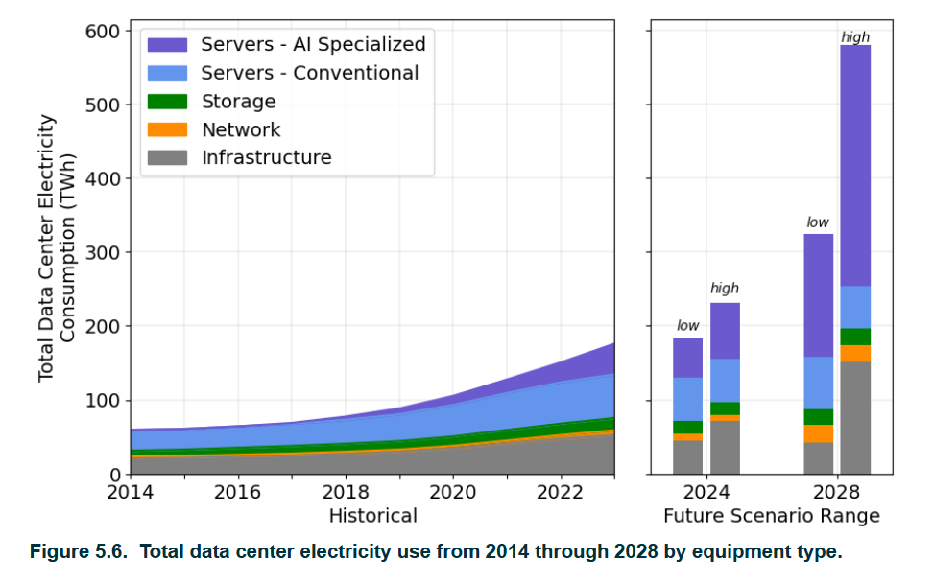
 | Figure 5.6 presents the total historical and future ranges of U.S. data center energy use
 | allocated by data center equipment, showing that total energy use growth between 2014 and
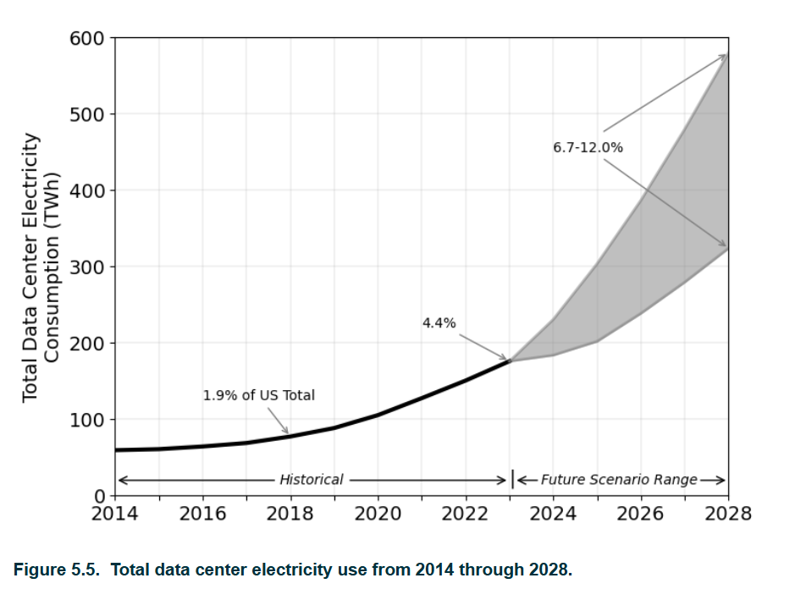

 | This does include Cryptocurrency mining

evolved energy ADP 2024
 | Source | 2024 Annual Decarbonization Perspective (ADP 2024)
 | Link | https://www.evolved.energy/us-adp-2024
 | Projections | 2025 | 2030 | 2035 | 2040 | 2050
#REF! | TWh | #REF! | #REF! | #REF! | #REF! | #REF!
mid |  | 279 | 541 | 693 | 776 | 870
high |  | 279 | 718 | 1043 | 1222 | 1679
 |  |  |  | Current Policy | Current Policy | Current Policy | Current Policy | Current Policy | Current Policy
 |  | To||Outputs Group Aggregate (group) |  | 2024 | 2030 | 2035 | 2040 | 2045 | 2050
 |  | Hydrogen Electrolysis | % of Total SUM([Value])/1e3 along To||Outputs Group Aggregate (group) |  | 2.09% | 7.03% | 7.16% | 6.37% | 6.03%
 |  | Hydrogen Electrolysis | SUM([Value])/1e3 |  | 105 | 422 | 489 | 467 | 476
 |  | Industrial Boilers | % of Total SUM([Value])/1e3 along To||Outputs Group Aggregate (group) |  | 0.09% | 0.38% | 0.81% | 0.40% | 0.27%
 |  | Industrial Boilers | SUM([Value])/1e3 |  | 4 | 23 | 55 | 29 | 21
 |  | Data Centers | % of Total SUM([Value])/1e3 along To||Outputs Group Aggregate (group) | 6.44% | 10.80% | 11.54% | 11.38% | 11.86% | 12.35%
 |  | Data Centers | SUM([Value])/1e3 | 279 | 541 | 693 | 776 | 870 | 975
 |  | Other End-Use Loads | % of Total SUM([Value])/1e3 along To||Outputs Group Aggregate (group) | 93.56% | 87.03% | 81.05% | 80.64% | 81.37% | 81.34%
 |  | Other End-Use Loads | SUM([Value])/1e3 | 4,055 | 4,361 | 4,865 | 5,498 | 5,966 | 6,418
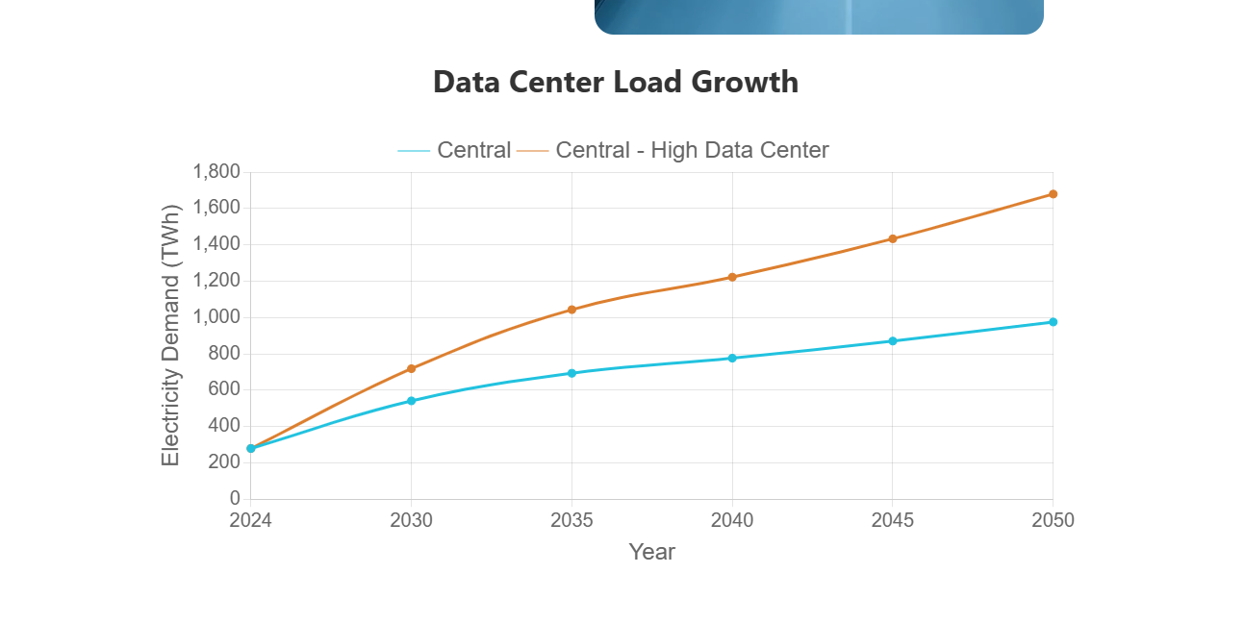

 |  | Run Name | Year | To||Outputs Group Aggregate (group) | Zone | Latitude | Longitude | Value
 |  | Current Policy | 2024 | Data Centers | northwest_emm | 46.23078496 | -117.1353519 | 28096.824667
 |  | Current Policy | 2024 | Data Centers | upper mississippi valley_emm | 44.21616067 | -92.06017322 | 5610.7274203
 |  | Current Policy | 2024 | Data Centers | northern great plains_emm | 43.8922572 | -98.93746173 | 11607.793884
 |  | Current Policy | 2024 | Data Centers | michigan_emm | 43.65991613 | -84.57779677 | 584.3428445
 |  | Current Policy | 2024 | Data Centers | new england_emm | 43.27527164 | -71.40425522 | 3608.536608
 |  | Current Policy | 2024 | Data Centers | upstate new york_emm | 42.78151636 | -75.70038727 | 5256.3649327
 |  | Current Policy | 2024 | Data Centers | metropolitan chicago_emm | 41.58174828 | -89.04628621 | 13781.692932
 |  | Current Policy | 2024 | Data Centers | great basin_emm | 41.4906663 | -113.3992641 | 9760.7391997
 |  | Current Policy | 2024 | Data Centers | metropolitan new york_emm | 40.7956625 | -73.749075 | 1856.4128523
 |  | Current Policy | 2024 | Data Centers | rockies_emm | 40.41986168 | -105.0432271 | 6223.8795708
 |  | Current Policy | 2024 | Data Centers | mid-atlantic_emm | 40.22369362 | -76.22949574 | 9637.6345268
 |  | Current Policy | 2024 | Data Centers | ohio valley_emm | 39.62831743 | -82.00511514 | 12588.085209
 |  | Current Policy | 2024 | Data Centers | middle mississippi valley_emm | 39.13783915 | -89.05562 | 1494.325442
 |  | Current Policy | 2024 | Data Centers | central great plains_emm | 38.53178311 | -96.89248378 | 1105.1263718
 |  | Current Policy | 2024 | Data Centers | northern california_emm | 38.36384792 | -121.3105083 | 11080.752926
 |  | Current Policy | 2024 | Data Centers | virginia_emm | 37.54736066 | -77.7046877 | 50491.184628
 |  | Current Policy | 2024 | Data Centers | tennessee valley_emm | 36.37018221 | -85.85459609 | 7589.5534292
 |  | Current Policy | 2024 | Data Centers | southern california_emm | 35.07000714 | -118.0483929 | 3628.143997
 |  | Current Policy | 2024 | Data Centers | carolinas_emm | 34.9460992 | -80.3321424 | 7685.0808565
 |  | Current Policy | 2024 | Data Centers | southern great plains_emm | 34.40765714 | -97.41755771 | 2750.6267677
 |  | Current Policy | 2024 | Data Centers | southwest_emm | 34.16983617 | -107.8247234 | 12654.510887
 |  | Current Policy | 2024 | Data Centers | mississippi delta_emm | 32.84137661 | -92.08766433 | 438.25977275
 |  | Current Policy | 2024 | Data Centers | southeast_emm | 32.5339982 | -85.39189245 | 13461.197849
 |  | Current Policy | 2024 | Data Centers | texas_emm | 31.1164665 | -98.4105065 | 55337.498372
 |  | Current Policy | 2024 | Data Centers | florida_emm | 28.70831695 | -82.23421695 | 2576.6180528
 |  | Current Policy | 2030 | Data Centers | northwest_emm | 46.23078496 | -117.1353519 | 54444.047764
 |  | Current Policy | 2030 | Data Centers | upper mississippi valley_emm | 44.21616067 | -92.06017322 | 10872.072326
 |  | Current Policy | 2030 | Data Centers | northern great plains_emm | 43.8922572 | -98.93746173 | 22492.767475
 |  | Current Policy | 2030 | Data Centers | michigan_emm | 43.65991613 | -84.57779677 | 1132.2982095
 |  | Current Policy | 2030 | Data Centers | new england_emm | 43.27527164 | -71.40425522 | 6992.3694975
 |  | Current Policy | 2030 | Data Centers | upstate new york_emm | 42.78151636 | -75.70038727 | 10185.413582
 |  | Current Policy | 2030 | Data Centers | metropolitan chicago_emm | 41.58174828 | -89.04628621 | 26705.194138
 |  | Current Policy | 2030 | Data Centers | great basin_emm | 41.4906663 | -113.3992641 | 18913.673623
 |  | Current Policy | 2030 | Data Centers | metropolitan new york_emm | 40.7956625 | -73.749075 | 3597.2263582
 |  | Current Policy | 2030 | Data Centers | rockies_emm | 40.41986168 | -105.0432271 | 12060.195428
 |  | Current Policy | 2030 | Data Centers | mid-atlantic_emm | 40.22369362 | -76.22949574 | 18675.129022
 |  | Current Policy | 2030 | Data Centers | ohio valley_emm | 39.62831743 | -82.00511514 | 24392.305603
 |  | Current Policy | 2030 | Data Centers | middle mississippi valley_emm | 39.13783915 | -89.05562 | 2895.5981348
 |  | Current Policy | 2030 | Data Centers | central great plains_emm | 38.53178311 | -96.89248378 | 2141.4357912
 |  | Current Policy | 2030 | Data Centers | northern california_emm | 38.36384792 | -121.3105083 | 21471.502493
 |  | Current Policy | 2030 | Data Centers | virginia_emm | 37.54736066 | -77.7046877 | 97838.261296
 |  | Current Policy | 2030 | Data Centers | tennessee valley_emm | 36.37018221 | -85.85459609 | 14706.501427
 |  | Current Policy | 2030 | Data Centers | southern california_emm | 35.07000714 | -118.0483929 | 7030.361717
 |  | Current Policy | 2030 | Data Centers | carolinas_emm | 34.9460992 | -80.3321424 | 14891.608186
 |  | Current Policy | 2030 | Data Centers | southern great plains_emm | 34.40765714 | -97.41755771 | 5329.9697112
 |  | Current Policy | 2030 | Data Centers | southwest_emm | 34.16983617 | -107.8247234 | 24521.020531
 |  | Current Policy | 2030 | Data Centers | mississippi delta_emm | 32.84137661 | -92.08766433 | 849.2305195
 |  | Current Policy | 2030 | Data Centers | southeast_emm | 32.5339982 | -85.39189245 | 26084.16187
 |  | Current Policy | 2030 | Data Centers | texas_emm | 31.1164665 | -98.4105065 | 107229.10793
 |  | Current Policy | 2030 | Data Centers | florida_emm | 28.70831695 | -82.23421695 | 4992.789555
 |  | Current Policy | 2035 | Data Centers | northwest_emm | 46.23078496 | -117.1353519 | 62739.69539
 |  | Current Policy | 2035 | Data Centers | upper mississippi valley_emm | 44.21616067 | -92.06017322 | 13951.39428
 |  | Current Policy | 2035 | Data Centers | northern great plains_emm | 43.8922572 | -98.93746173 | 55385.961143
 |  | Current Policy | 2035 | Data Centers | michigan_emm | 43.65991613 | -84.57779677 | 1304.8249682
 |  | Current Policy | 2035 | Data Centers | new england_emm | 43.27527164 | -71.40425522 | 8057.7890062
 |  | Current Policy | 2035 | Data Centers | upstate new york_emm | 42.78151636 | -75.70038727 | 11737.354996
 |  | Current Policy | 2035 | Data Centers | metropolitan chicago_emm | 41.58174828 | -89.04628621 | 33322.776667
 |  | Current Policy | 2035 | Data Centers | great basin_emm | 41.4906663 | -113.3992641 | 21795.594245
 |  | Current Policy | 2035 | Data Centers | metropolitan new york_emm | 40.7956625 | -73.749075 | 4145.3322732
 |  | Current Policy | 2035 | Data Centers | rockies_emm | 40.41986168 | -105.0432271 | 15483.410744
 |  | Current Policy | 2035 | Data Centers | mid-atlantic_emm | 40.22369362 | -76.22949574 | 21520.638998
 |  | Current Policy | 2035 | Data Centers | ohio valley_emm | 39.62831743 | -82.00511514 | 28108.933908
 |  | Current Policy | 2035 | Data Centers | middle mississippi valley_emm | 39.13783915 | -89.05562 | 4050.2753215
 |  | Current Policy | 2035 | Data Centers | central great plains_emm | 38.53178311 | -96.89248378 | 3004.8277288
 |  | Current Policy | 2035 | Data Centers | northern california_emm | 38.36384792 | -121.3105083 | 24743.092899
 |  | Current Policy | 2035 | Data Centers | virginia_emm | 37.54736066 | -77.7046877 | 112745.83785
 |  | Current Policy | 2035 | Data Centers | tennessee valley_emm | 36.37018221 | -85.85459609 | 16947.634184
 |  | Current Policy | 2035 | Data Centers | southern california_emm | 35.07000714 | -118.0483929 | 8101.5711698
 |  | Current Policy | 2035 | Data Centers | carolinas_emm | 34.9460992 | -80.3321424 | 17160.627036
 |  | Current Policy | 2035 | Data Centers | southern great plains_emm | 34.40765714 | -97.41755771 | 12114.397258
 |  | Current Policy | 2035 | Data Centers | southwest_emm | 34.16983617 | -107.8247234 | 28261.933008
 |  | Current Policy | 2035 | Data Centers | mississippi delta_emm | 32.84137661 | -92.08766433 | 1134.0819161
 |  | Current Policy | 2035 | Data Centers | southeast_emm | 32.5339982 | -85.39189245 | 30058.641955
 |  | Current Policy | 2035 | Data Centers | texas_emm | 31.1164665 | -98.4105065 | 150357.33284
 |  | Current Policy | 2035 | Data Centers | florida_emm | 28.70831695 | -82.23421695 | 5753.5357667
 |  | Current Policy | 2040 | Data Centers | northwest_emm | 46.23078496 | -117.1353519 | 67986.787736
 |  | Current Policy | 2040 | Data Centers | upper mississippi valley_emm | 44.21616067 | -92.06017322 | 14550.435411
 |  | Current Policy | 2040 | Data Centers | northern great plains_emm | 43.8922572 | -98.93746173 | 88270.73143
 |  | Current Policy | 2040 | Data Centers | michigan_emm | 43.65991613 | -84.57779677 | 1305.7425484
 |  | Current Policy | 2040 | Data Centers | new england_emm | 43.27527164 | -71.40425522 | 8058.4379487
 |  | Current Policy | 2040 | Data Centers | upstate new york_emm | 42.78151636 | -75.70038727 | 11738.30127
 |  | Current Policy | 2040 | Data Centers | metropolitan chicago_emm | 41.58174828 | -89.04628621 | 35049.163456
 |  | Current Policy | 2040 | Data Centers | great basin_emm | 41.4906663 | -113.3992641 | 23616.273173
 |  | Current Policy | 2040 | Data Centers | metropolitan new york_emm | 40.7956625 | -73.749075 | 4146.1824799
 |  | Current Policy | 2040 | Data Centers | rockies_emm | 40.41986168 | -105.0432271 | 16138.742612
 |  | Current Policy | 2040 | Data Centers | mid-atlantic_emm | 40.22369362 | -76.22949574 | 21522.374415
 |  | Current Policy | 2040 | Data Centers | ohio valley_emm | 39.62831743 | -82.00511514 | 29368.021776
 |  | Current Policy | 2040 | Data Centers | middle mississippi valley_emm | 39.13783915 | -89.05562 | 4237.9883582
 |  | Current Policy | 2040 | Data Centers | central great plains_emm | 38.53178311 | -96.89248378 | 3866.3776068
 |  | Current Policy | 2040 | Data Centers | northern california_emm | 38.36384792 | -121.3105083 | 24745.087493
 |  | Current Policy | 2040 | Data Centers | virginia_emm | 37.54736066 | -77.7046877 | 119296.85906
 |  | Current Policy | 2040 | Data Centers | tennessee valley_emm | 36.37018221 | -85.85459609 | 18364.625991
 |  | Current Policy | 2040 | Data Centers | southern california_emm | 35.07000714 | -118.0483929 | 8102.2241613
 |  | Current Policy | 2040 | Data Centers | carolinas_emm | 34.9460992 | -80.3321424 | 18593.959112
 |  | Current Policy | 2040 | Data Centers | southern great plains_emm | 34.40765714 | -97.41755771 | 18902.28102
 |  | Current Policy | 2040 | Data Centers | southwest_emm | 34.16983617 | -107.8247234 | 30624.020981
 |  | Current Policy | 2040 | Data Centers | mississippi delta_emm | 32.84137661 | -92.08766433 | 1189.36355
 |  | Current Policy | 2040 | Data Centers | southeast_emm | 32.5339982 | -85.39189245 | 32568.935051
 |  | Current Policy | 2040 | Data Centers | texas_emm | 31.1164665 | -98.4105065 | 167043.59165
 |  | Current Policy | 2040 | Data Centers | florida_emm | 28.70831695 | -82.23421695 | 6232.9007293
 |  | Current Policy | 2045 | Data Centers | northwest_emm | 46.23078496 | -117.1353519 | 73227.699857
 |  | Current Policy | 2045 | Data Centers | upper mississippi valley_emm | 44.21616067 | -92.06017322 | 15126.723768
 |  | Current Policy | 2045 | Data Centers | northern great plains_emm | 43.8922572 | -98.93746173 | 121158.11992
 |  | Current Policy | 2045 | Data Centers | michigan_emm | 43.65991613 | -84.57779677 | 1456.6728017
 |  | Current Policy | 2045 | Data Centers | new england_emm | 43.27527164 | -71.40425522 | 8994.3742866
 |  | Current Policy | 2045 | Data Centers | upstate new york_emm | 42.78151636 | -75.70038727 | 13101.630303
 |  | Current Policy | 2045 | Data Centers | metropolitan chicago_emm | 41.58174828 | -89.04628621 | 36775.671299
 |  | Current Policy | 2045 | Data Centers | great basin_emm | 41.4906663 | -113.3992641 | 25439.736107
 |  | Current Policy | 2045 | Data Centers | metropolitan new york_emm | 40.7956625 | -73.749075 | 4627.1596812
 |  | Current Policy | 2045 | Data Centers | rockies_emm | 40.41986168 | -105.0432271 | 16796.001452
 |  | Current Policy | 2045 | Data Centers | mid-atlantic_emm | 40.22369362 | -76.22949574 | 24022.061679
 |  | Current Policy | 2045 | Data Centers | ohio valley_emm | 39.62831743 | -82.00511514 | 31376.538373
 |  | Current Policy | 2045 | Data Centers | middle mississippi valley_emm | 39.13783915 | -89.05562 | 4399.5122114
 |  | Current Policy | 2045 | Data Centers | central great plains_emm | 38.53178311 | -96.89248378 | 4736.2888412
 |  | Current Policy | 2045 | Data Centers | northern california_emm | 38.36384792 | -121.3105083 | 27619.072876
 |  | Current Policy | 2045 | Data Centers | virginia_emm | 37.54736066 | -77.7046877 | 125850.84355
 |  | Current Policy | 2045 | Data Centers | tennessee valley_emm | 36.37018221 | -85.85459609 | 19782.747653
 |  | Current Policy | 2045 | Data Centers | southern california_emm | 35.07000714 | -118.0483929 | 9043.246221
 |  | Current Policy | 2045 | Data Centers | carolinas_emm | 34.9460992 | -80.3321424 | 20029.709369
 |  | Current Policy | 2045 | Data Centers | southern great plains_emm | 34.40765714 | -97.41755771 | 25719.44291
 |  | Current Policy | 2045 | Data Centers | southwest_emm | 34.16983617 | -107.8247234 | 32989.318045
 |  | Current Policy | 2045 | Data Centers | mississippi delta_emm | 32.84137661 | -92.08766433 | 1225.5708863
 |  | Current Policy | 2045 | Data Centers | southeast_emm | 32.5339982 | -85.39189245 | 35084.049367
 |  | Current Policy | 2045 | Data Centers | texas_emm | 31.1164665 | -98.4105065 | 183754.16735
 |  | Current Policy | 2045 | Data Centers | florida_emm | 28.70831695 | -82.23421695 | 6714.9859912
 |  | Current Policy | 2050 | Data Centers | northwest_emm | 46.23078496 | -117.1353519 | 78479.073112
 |  | Current Policy | 2050 | Data Centers | upper mississippi valley_emm | 44.21616067 | -92.06017322 | 15709.752217
 |  | Current Policy | 2050 | Data Centers | northern great plains_emm | 43.8922572 | -98.93746173 | 154052.70616
 |  | Current Policy | 2050 | Data Centers | michigan_emm | 43.65991613 | -84.57779677 | 1632.246155
 |  | Current Policy | 2050 | Data Centers | new england_emm | 43.27527164 | -71.40425522 | 10079.170925
 |  | Current Policy | 2050 | Data Centers | upstate new york_emm | 42.78151636 | -75.70038727 | 14681.794976
 |  | Current Policy | 2050 | Data Centers | metropolitan chicago_emm | 41.58174828 | -89.04628621 | 38499.314659
 |  | Current Policy | 2050 | Data Centers | great basin_emm | 41.4906663 | -113.3992641 | 27264.616599
 |  | Current Policy | 2050 | Data Centers | metropolitan new york_emm | 40.7956625 | -73.749075 | 5185.2333542
 |  | Current Policy | 2050 | Data Centers | rockies_emm | 40.41986168 | -105.0432271 | 17451.194719
 |  | Current Policy | 2050 | Data Centers | mid-atlantic_emm | 40.22369362 | -76.22949574 | 26919.41137
 |  | Current Policy | 2050 | Data Centers | ohio valley_emm | 39.62831743 | -82.00511514 | 35160.807634
 |  | Current Policy | 2050 | Data Centers | middle mississippi valley_emm | 39.13783915 | -89.05562 | 4575.8716115
 |  | Current Policy | 2050 | Data Centers | central great plains_emm | 38.53178311 | -96.89248378 | 5607.0589956
 |  | Current Policy | 2050 | Data Centers | northern california_emm | 38.36384792 | -121.3105083 | 30950.160918
 |  | Current Policy | 2050 | Data Centers | virginia_emm | 37.54736066 | -77.7046877 | 141029.69803
 |  | Current Policy | 2050 | Data Centers | tennessee valley_emm | 36.37018221 | -85.85459609 | 21202.41783
 |  | Current Policy | 2050 | Data Centers | southern california_emm | 35.07000714 | -118.0483929 | 10133.935634
 |  | Current Policy | 2050 | Data Centers | carolinas_emm | 34.9460992 | -80.3321424 | 21466.477524
 |  | Current Policy | 2050 | Data Centers | southern great plains_emm | 34.40765714 | -97.41755771 | 32493.258314
 |  | Current Policy | 2050 | Data Centers | southwest_emm | 34.16983617 | -107.8247234 | 35353.457972
 |  | Current Policy | 2050 | Data Centers | mississippi delta_emm | 32.84137661 | -92.08766433 | 1272.0360159
 |  | Current Policy | 2050 | Data Centers | southeast_emm | 32.5339982 | -85.39189245 | 37600.016589
 |  | Current Policy | 2050 | Data Centers | texas_emm | 31.1164665 | -98.4105065 | 199897.34952
 |  | Current Policy | 2050 | Data Centers | florida_emm | 28.70831695 | -82.23421695 | 7197.4108309

BNEF
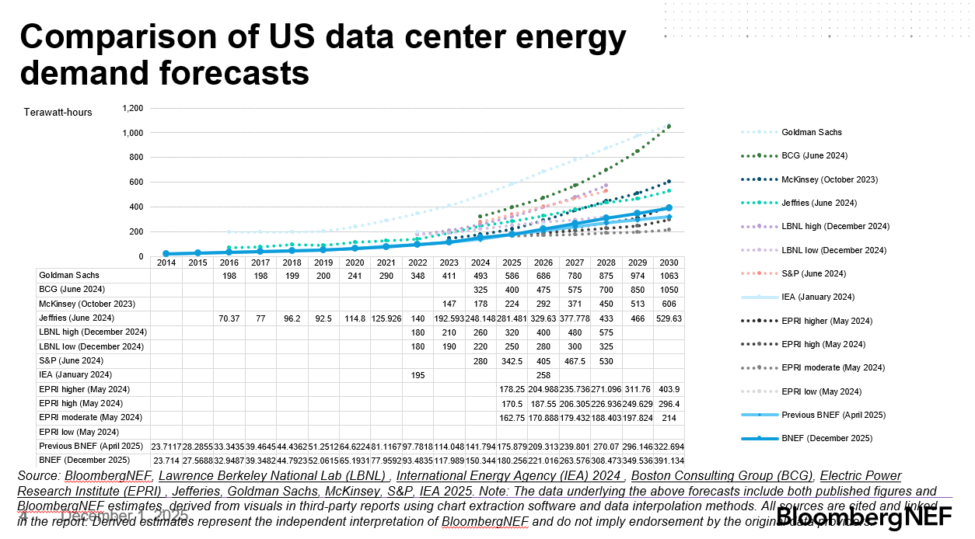
Source | US Data Center Outlook 2H 2025 (December 1, 2025)
Link | BloombergNEF
Projections | 2025 | 2030 | 2035 | 2040 | 2050
TWh | 180 | 391

 | 2020 | 2021 | 2022 | 2023 | 2024 | 2025 | 2026 | 2027 | 2028 | 2029 | 2030
BNEF (December 2025) | 65 | 78 | 93 | 118 | 150 | 180 | 221 | 263 | 308 | 350 | 391
Growth |  |  |  |  | 32 | 30 | 41 | 42 | 45 | 42 | 41
BNEF w/ Historic Reconciled |  |  |  | 176 | 208 | 238 | 279 | 321 | 366 | 408 | 449

